シート1
OSPO Japan Local Meetup, OSS Strategy, discussion sheet

 | Relationship between OSS and the business | The main place of value your business provides | Example:Linux | Example:Non-Linux (discussed later) | Relationship with the OSS community | Issues and Issues | Corporate Action for the Linux Community | Corporate Action for the Linux Community (Common) | The one on the left that could be supported by OSPO. | Of the left, those that can be supported by OSPO (common) | Notes 7/21 | Notes 7/14
 | Primary Service as OSS | Provide value primarily by providing OSS | ・Red Hat Enterprise Linux ・MIRACLE LINUX |  | Operates or is a core member of the OSS community | ・Authentication from hardware vendors for new hardware ・Version Fixing and Security Measures for Compatibility (Backport) ・A framework that brings together third parties to make high-value OSS work (for secondary and subsequent businesses). | ・community transmission ・Support and promotion of community management | ・Report failure cases. ・Fix bugs upstream. | ・Support for community dissemination ・Support and promotion of community management |  | The value of OSS evolution directly affects users | R to create what is not available today&Ddoesn't belong here?
 | secondary Sell and service products and services Sold as part of SW | Combining main products and services with OSS creates value | ・TV, Camera ・Cloud services (AWS,,,) software ・SIer gets in here too. system monitoring service |  | Contribute Defects LTS utilization Core members of the community for critical OSS | ・The gap between product quality assurance and OSS quality for AsIs. ・Long term Linux delivery, long term de facto. ・Vulnerability response is also required on the OSS side. Regular updates. ・I want compatibility. ・License change. ・You want to contribute, but you can't because it's a vendor-supplied LinuxOS. ・It is difficult to show the effect of contribution. ・I want someone who can investigate OSS failure and someone who is familiar with OSS (development efficiency). ・I want someone who knows OSS when I use it and when I choose it. | ・Use cases are reported (especially few embedded systems). |  | ・Feedback to the community (failure cases, usage cases). Embedded systems are particularly rare.) ・
 | 2.5 degree ・Does not sell SW (OSS) but comes with the product ・ | Must be combined with OSS to take advantage of the value of the main product/service | ・BSP Board Support Package SDK Software Development Kit ・Commercial apps running on Linux | ・semiconductor component | Build SDK with many OSSs OSS Conversion | ・Fixing Linux defects locally and having trouble upgrading. ・License change. | Ibid. |  | ・?
 | cubic Use as a tool to create products and services | OSS used internally but not passed to users | ・CI/CD Tools FOSSology ・New type of tool O3DF, ASWF ・Internal infrastructure (internal infrastructure monitoring, etc.) |  | Contribute individually to the OSS community for important tools | ・Fixing Linux defects locally and having trouble upgrading. | ・Use cases are reported. (This may be a use case that is not the intended method) ・You may be pleased to hear about the tuning and setup know-how of a set of tools combined, or the trouble with the lack of performance. ・Translation of documents. |  | ・?
 | 3.5 degree ・R&D | Use OSS for POC ・Be exposed to new technologies. Get know-how. | ・POC, R&D |  |  |  |  |  |  |  |  | chasing R&D

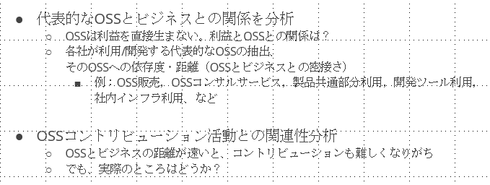
 |  |  |  | If node.js is a Platform, the primary content will change.
 |  |  |  |  |  | There are many common issues. We will devise ways such as separating the rows and putting them together.
 |  |  |  |  |  | Challenges for OSPO. I wish I could review it again.

 |  |  |  |  |  | How to put it all together is a matter of concern.
 |  |  |  |  |  | In the end, I would like to take the summary to TODOGroup and talk about it.

 |  |  |  |  |  | The relationship with the business is limited to a corporate classification, not a degree x. A sense of distance is what I want to convey, so I will state that.
 |  |  |  |  |  | It is easy to understand the relationship with the OSS community by having a typical role model for each company classification. Sales, management, developers, etc.
 |  |  |  |  |  | Bring the results of the overseas community.

